Analysis
Dimension | # Comments | # Positive | # Negative | Examples
Service
S1 Circulation | 2 |  | 1
S2 ILL | 6 | 4 | 2
S3 Library hours | 3 | 1 | 1
S4 Policies | 4 | 0 | 4 | Want APU student workers, group study room policies
S5 Reference services | 3 | 3 | 0
S6 Classroom teaching | 5 | 3 | 2
S7 Online catalog | 1 | 0 | 1
S8 Computer equipment | 0
S9 Non-computer equipment and services | 3 | 1 | 2 | Wi-Fi issues, like scanner in copy room
S10 Other teaching tools | 4 | 1 | 3
S11 Website | 4 | 0 | 3 | Website difficult to navigate
S12 Group study rooms and graduate carrels | 4 | 0 | 4 | issues with policy on use of rooms
S13 Other service | 23 | 19 | 4 | general staff behavior
Resources
C1 Book collections | 1 | 1 | 0
C2 Journal collections and databases | 10 | 3 | 7 | Asking for specific resources, close embargos
C3 Other collections | 1 | 0 | 1 | Want more DVDs
C4 General remarks about the collection | 8 | 5 | 3 | lack resources in a specific area, "provide good resources"
C5 Access to physical collections | 3 | 1 | 1
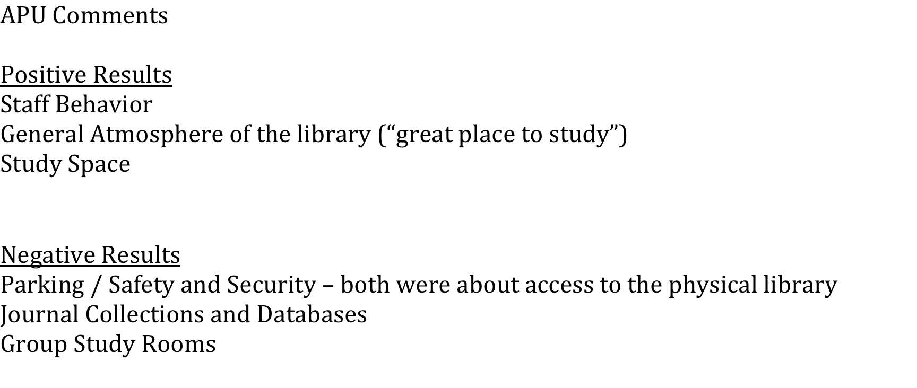
C6 Access to online collections | 12 | 6 | 5 | Online access is convenient, don't like embargos
Facilities
P1 General atmosphere (general comments) | 13 | 12 | 1 | Great place to study
P2 Parking | 23 | 0 | 23 | UAA should honor APU parking stickers
P3 Safety/Security | 4 | 0 | 4 | security at night isn't good at the library, don't want to walk from APU to UAA in the dark
P4 Noise levels | 2 | 0 | 2
P5 Study space | 5 | 4 | 0
P6 Wayfinding – layout and signage | 0
P7 Temperature levels | 1 | 0 | 1 | Too cold
P8 Other place/env related | 1 | 1 |  | Love plants
Staff
B1 Positive staff behavior | 13 |  |  | staff is great…
B2 Negative staff behavior | 6 |  |  | Staff doesn't treat APU students the same as UAA students
Other
O1 General | 5 | 5
O2 Other
O3 Survey - comments about the survey | 6 | 1 | 5
Rating
N Negative
P Positive
O Neutral
Sugg/Quote
S Suggestion
Q Quotable

